Javascript-3 Events
 |  | DOM
Associate an event handler to the event
Using attributes of an HTML tag
Execute code based on an event | onmouseover="this.style.background= 'red'; this.style.color = 'yellow'"
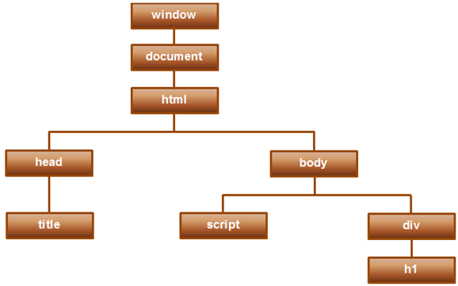
Execute a function based on an event | onmouseout="changeColorOnMouseOut()
 | onkeyup="validateRequiredField('txtFirstName')
 | onblur="validateRequiredField('txtFirstName')

Using DOM object property
 | document.getElementById("btn").onmouseover = changeColorOnMouseOver
Anonymous function | document.getElementById("btn").onmouseover = function () {….}

 | If an event handler is assigned using both, i.e an HTML attribute and DOM object property, the handler that is assigned using the DOM object property overwrites the one assigned using HTML attribute.

Using special methods
addEventListener() | btn.addEventListener("mouseover", changeColorOnMouseOver, false);
removeEventListener() | btn.removeEventListener("mouseover", changeColorOnMouseOver);

event object | For every event, event object is passed to the event handler method/function
onclick="displayEventDetails(event)" | event object is passed to function by specfifying event as parameter
Properties of event object :
event.type | Event name (click, mouseover..)
event.clientX, event.clientY | return the X and Y coordinates of the mouse pointer
event.target.type | HTML control type
event.target.tagName | HTML tag name
event.which | 1- left mouse button; 2- Middle; 3-right mouse button

window.event | event information can also be used by the event handler function without passing event object, by using window.event property in the calling fuction

Event bubbling | Multiple events getting triggered, when nested HTML elements have events and all of them raises events
 | Events are triggered from innermost HTML outwards
event.stopPropagation() | This would cancel event bubbling
Event capturing | Opposite of event bubbling

Prevent browser default action
<body oncontextmenu="return false"> | Prevents context menu to display when right click on page
document.oncontextmenu=event.preventDefault();

<a href="http://pragimtech.com" onclick="return false"> | Clicking on the link will not take you to PragimTech
<a href="http://pragimtech.com" onclick="preventLinkNavigation(event)">

Common Events
mouseover | Occurs when the mouse pointer is moved over an element
mouseout | Occurs when the mouse pointer is moved out of an element
mousemove | Occurs when the mouse pointer is moving while it is over an element
mouseup | Occurs when the mouse button is released over an element
mousedown | Occurs when the mouse button is pressed over an element
click | Occurs when the mouse button is clicked. mousedown, mouseup & click events occur in sequence
dblclick | Occurs when the mouse button is double-clicked. mousedown, mouseup, mousedown, mouseup, click & dblclick events occur in sequence
contextmenu | Occurs when the mouse right button is clicked. mousedown, mouseup & contextmenu events occur in sequence

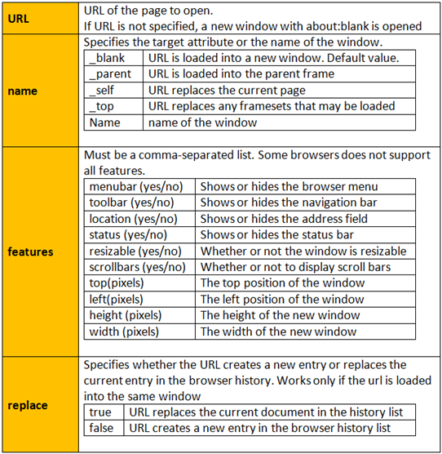
Open another window when an event (click/mouseover etc) occur
window.open(URL, name, features, replace)

